Sayfa1
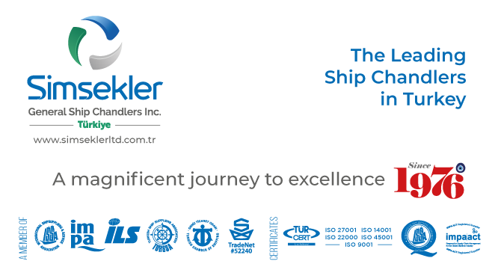
Teklif No: |  | 20241111-100748-953008TY
Teklif Tarihi: |  | 06-11-2024 10:30
Firma Adı: |  | KAPTAN ÇELİK HALAT TİC. AŞ.
Firma Kodu: |  | S00880
E-posta: |  | engin@kaptancelik.com
Telefon: |  | 90(262)6580590
Fax: |  | -
 |  |  |  | Açıklamalar:
Sipariş No: |  | APP2411-054
Sipariş Tarihi |  | 11-11-2024 07:07

Tüm sorularınız ve görüşleriniz için iletişim adresimiz
destek@simseklerltd.com.tr

Firma Teklif No: |  |  |  |  | Toplam Tutar |  |  | TL |  | Teslimat Süresi: | 1 | gün

S.No | Impa Kodu ve Ürün Adı |  |  |  | Açıklama | Birim | Talep Miktar | Verilecek Miktar | Fiyat | Para Birimi | Toplam | Teslimat Süresi | Notlar
1 | SIM-007150 |  | Engine room Crane 2T SWL. Spare rope - Construction 7x19+IWRC; Diameter-10mm; Length-25M-1ROLL; Specification-KS D 3514; Coating Stainless Steel Grade AISI 304; LAY -RHRL ; Lubrication DRY ; Beaking Strength 64.5 KN |  |  | PCE | 1.00 | 1.00 | 80.00 | USD |  | 1 | 10 mm 7x19 AISI 316 SS 25 M SS WIRE ROPE

