Sayfa1
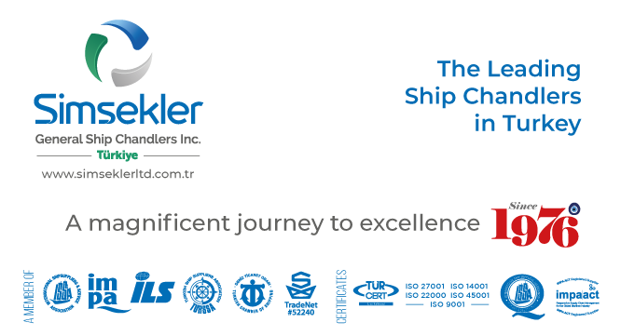
Teklif No: |  | 202502-0778
Teklif Tarihi: |  | 24-02-2025 14:06
Firma Adı: |  | KAPTAN ÇELİK HALAT TİC. AŞ.
Firma Kodu: |  | S00880
E-posta: |  | engin@kaptancelik.com
Telefon: |  | 90(262)6580590
Fax: |  | -
 |  |  |  | Açıklamalar:
Sipariş No: |  | APP2503-018
Sipariş Tarihi |  | 04-03-2025 06:29

Tüm sorularınız ve görüşleriniz için iletişim adresimiz
destek@simseklerltd.com.tr

Firma Teklif No: |  |  |  |  | Toplam Tutar |  |  | TL |  | Teslimat Süresi: | 1 | gün

S.No | Impa Kodu ve Ürün Adı |  |  |  | Açıklama | Birim | Talep Miktar | Verilecek Miktar | Fiyat | Para Birimi | Toplam | Teslimat Süresi | Notlar
1 | SIM-020664 |  | IWRC wire rope galvenised DIA16mm. Length 45m, min breaking strain 165kN, with certificate. see attached details |  |  | PCS | 1.00 | 1.00 | 150.00 | EUR |  | 1 | 19X7 (18X7+IWRC) ROTATION RESISTANT GALV
2 | SIM-020665 |  | Lifting sling - wire rope DIA20mm length 3800mm 6 x 37FN with certificate, test load 132KN see attached details |  |  | PCS | 2.00 | 2.00 | 35.00 | EUR |  | 1 | 20 MM 6X36 WS + FC, GALV, THIMBLE-THIMBLE WIRE ROPE SLING, L: 3.8 M
3 | SIM-020666 |  | Lifting sling - wire rope DIA20mm length 1150mm 6 x 37FN with certificate, test load 132KN, see attached details |  |  | PCS | 2.00 | 2.00 | 23.00 | EUR |  | 1 | 20 MM 6X36 WS + FC, GALV, THIMBLE-THIMBLE WIRE ROPE SLING, L: 1.15 M

