Sayfa1
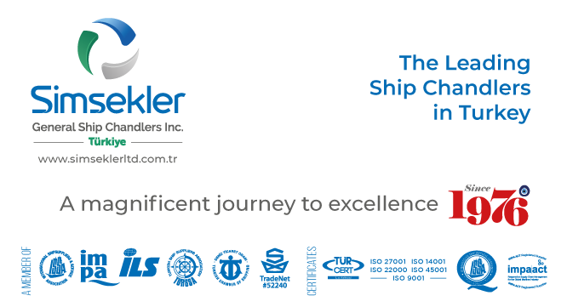
Teklif No: |  | 202504-0296
Teklif Tarihi: |  | 04-04-2025 12:42
Firma Adı: |  | KAPTAN ÇELİK HALAT TİC. AŞ.
Firma Kodu: |  | S00880
E-posta: |  | engin@kaptancelik.com
Telefon: |  | 90(262)6580590
Fax: |  | -
 |  |  |  | Açıklamalar:
Sipariş No: |  | APP2504-266
Sipariş Tarihi |  | 24-04-2025 10:44

Tüm sorularınız ve görüşleriniz için iletişim adresimiz
destek@simseklerltd.com.tr

Firma Teklif No: |  |  |  |  | Toplam Tutar |  |  | TL |  | Teslimat Süresi: | 1 | gün

S.No | Impa Kodu ve Ürün Adı |  |  |  | Açıklama | Birim | Talep Miktar | Verilecek Miktar | Fiyat | Para Birimi | Toplam | Teslimat Süresi | Notlar
35 | SIM-026148 |  | RESCUE BOAT SELF LOWERING WIRE L-200 ,DIA- 4mm, 6X19 - CERTIFICATE NUMBER :WX21052 |  |  | METERS | 200.00 | 200.00 | 0.26 | EUR |  | 1 | 6x7 std + fc, galv

