Sayfa1
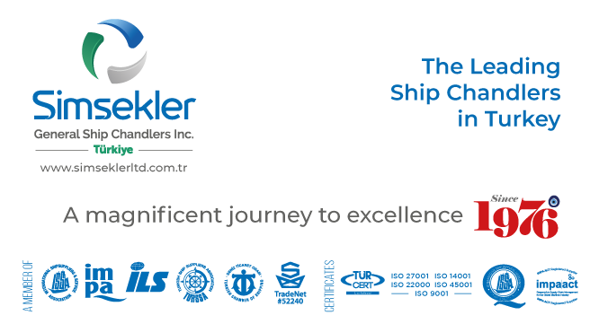
Teklif No: |  | 202506-0167
Teklif Tarihi: |  | 03-06-2025 10:43
Firma Adı: |  | KAPTAN ÇELİK HALAT TİC. AŞ.
Firma Kodu: |  | S00880
E-posta: |  | engin@kaptancelik.com
Telefon: |  | 90(262)6580590
Fax: |  | -
 |  |  |  | Açıklamalar:
Sipariş No: |  | APP2506-031
Sipariş Tarihi |  | 03-06-2025 10:43

Tüm sorularınız ve görüşleriniz için iletişim adresimiz
destek@simseklerltd.com.tr

Firma Teklif No: |  |  |  |  | Toplam Tutar |  |  | TL |  | Teslimat Süresi: | 1 | gün

S.No | Impa Kodu ve Ürün Adı |  |  |  | Açıklama | Birim | Talep Miktar | Verilecek Miktar | Fiyat | Para Birimi | Toplam | Teslimat Süresi | Notlar
83 | NO IMPA |  | HOISTING WIRE ROPE FOR SLUDGE DAVIT G.S.W.R. Dia = 6(19x7) X 35m MAKER: SHIN MYUNG TECH CO.,LTD DAVIT SWL: 1.47kN (150KG) SEE ATTACHED SCAN DRAWING |  |  | COIL | 2.00 | 2.00 | 46.00 | USD |  | 1 | 6 Mm 19x7 Galv Rotation Resistant 35 M Wire Rope - 1 End Thimble Mech Spliced

