Sayfa1
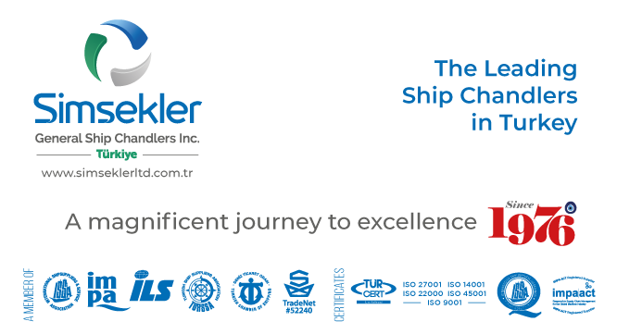
Teklif No: |  | 202507-1177
Teklif Tarihi: |  | 18-07-2025 10:41
Firma Adı: |  | KAPTAN ÇELİK HALAT TİC. AŞ.
Firma Kodu: |  | S00880
E-posta: |  | engin@kaptancelik.com
Telefon: |  | 90(262)6580590
Fax: |  | -
 |  |  |  | Açıklamalar:
Sipariş No: |  | APP2507-244
Sipariş Tarihi |  | 24-07-2025 11:14

Tüm sorularınız ve görüşleriniz için iletişim adresimiz
destek@simseklerltd.com.tr

Firma Teklif No: |  |  |  |  | Toplam Tutar |  |  | TL |  | Teslimat Süresi: | 1 | gün

S.No | Impa Kodu ve Ürün Adı |  |  |  | Açıklama | Birim | Talep Miktar | Verilecek Miktar | Fiyat | Para Birimi | Toplam | Teslimat Süresi | Notlar
81 | 233564 |  | SHACKLE STRAIGHT EYE BOLT, S. STEEL SC 32MM SWL 6.2TON, |  |  | PCE | 4.00 | 4.00 | 18.00 | USD |  | 1 | GALV

