Sayfa1
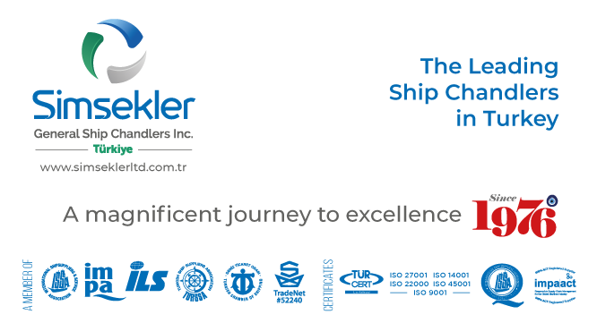
Teklif No: |  | 202510-0346
Teklif Tarihi: |  | 08-10-2025 07:38
Firma Adı: |  | KAPTAN ÇELİK HALAT TİC. AŞ.
Firma Kodu: |  | S00880
E-posta: |  | engin@kaptancelik.com
Telefon: |  | 90(262)6580590
Fax: |  | -
 |  |  |  | Açıklamalar:
Sipariş No: |  | APP2510-132
Sipariş Tarihi |  | 13-10-2025 13:38

Tüm sorularınız ve görüşleriniz için iletişim adresimiz
destek@simseklerltd.com.tr

Firma Teklif No: |  |  |  |  | Toplam Tutar |  |  | TL |  | Teslimat Süresi: | 1 | gün

S.No | Impa Kodu ve Ürün Adı |  |  |  | Açıklama | Birim | Talep Miktar | Verilecek Miktar | Fiyat | Para Birimi | Toplam | Teslimat Süresi | Notlar
1 | SIM-048068 |  | GALVANIZED NON-ROTATING STEEL WIRE ROPE, 8MM DIA, 66MTR, MECHANICALLY PRESSED THIMBLE AT ONE END, OTHER BEND PLAIN- SUPPLY WITH TEST CERTIFICATE |  |  | COIL | 1.00 | 1.00 | 83.00 | EUR |  | 1 | 8 MM 19X7 GALV ROTATION RESISTANT 66 M WIRE ROPE - 1 END THIMBLE MECH SPLICED

